Sheet1 (2)
Mike McSorley - Hanging picture formula
insert measurements into fields, results calculated in boxes
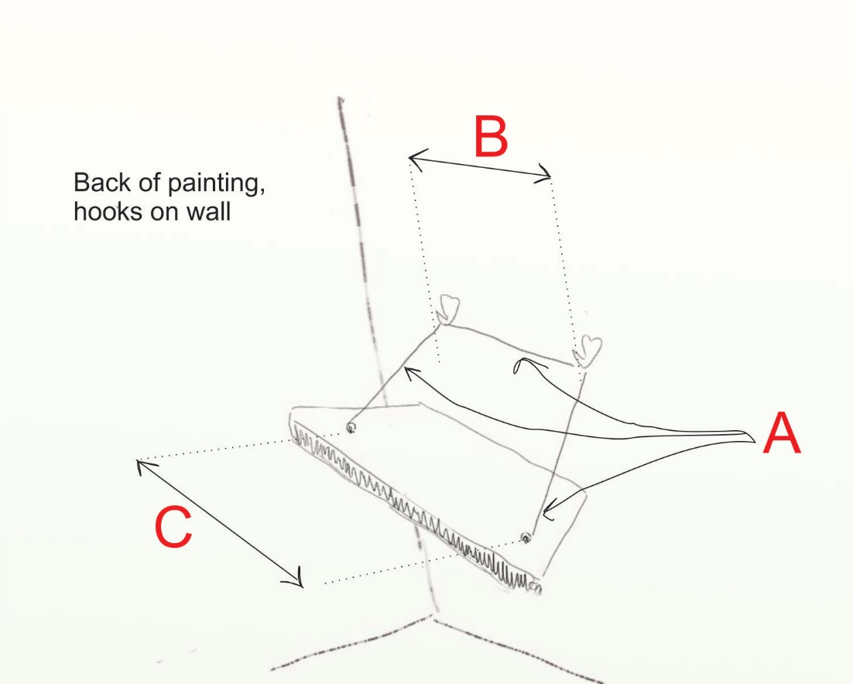

Black = ring hang; Blue & Blk =wire hang
underline are results
wire length A | 33
distance between hooks on wall ("0" for 1 hook) B | 16
distance between 'D' rings (hooks)on back of painting C | 28.25

Enter the height of piece including frame | 31.125
Enter distance from top of frame to 'D' ring on back of piece | 6
center height on wall (height you want center of piece to be) | 60

height to install hooks for 'D' ring hang= | 69.5625

height to install hook(s) for wire hang (using above info) | 75.456087617
('D' ring plus height to wire)

distance of 'D' ring to edge of painting | 3
distance from edge to 1st hook for wire hang= | 9.125

